Smoking
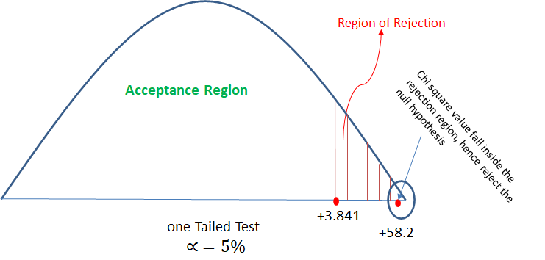
Q: Analyze the below data and tell whether you can conclude that smoking causes cancer or not?

Category | Diagnosed as Cancer | Without Cancer | Total
Smokers | 220 | 230 | 550
Non-Smokers | 350 | 640 | 990
Total | 680 | 910 | 1590

Category | Diagnosed as Cancer | Without Cancer
Smokers | o = 220, e = 570*450/1440 = 178.125 | o = 230, e = 450*870/1440 = 271.875
Non-Smokers | o = 350, e = 990*570/1440 = 391.875 | o = 640, e = 990*870/1440 = 598.125

Category | Diagnosed as Cancer | Without Cancer | Total
Smokers | 178.125 | 271.875 | 450
Non-Smokers | 391.875 | 598.125 | 990
Total | 570 | 870 | 1440

O | E | (O-E) | A= (O-E)^2 | X^2 = (A/E)
220 | 178.125 | 41.875 | 1753.515625 | 9.8442982456
230 | 271.875 | -41.875 | 1753.515625 | 6.4497126437
350 | 391.875 | -41.875 | 1753.515625 | 4.4746810207
640 | 598.125 | 41.875 | 1753.515625 | 2.9316875653
 |  |  | Total | 23.700379475

Girl_boy
Q: There is an assumption that there is no significant difference between boys and girls with respect to intelligence. Tests are conducted on two groups and the following are the observations

 | Mean | Std Deviation | Size | std sqr/size | Z-test
Girls | 89 | 4 | 50 | 0.32
Boys | 82 | 9 | 120 | 0.675

Xbar | 7 |  | ROOT | 0.99749686716 | 7.0175658996
At 5% of LOS,
Ze = 1.96 <Z
==> Reject H0

